Sheet1
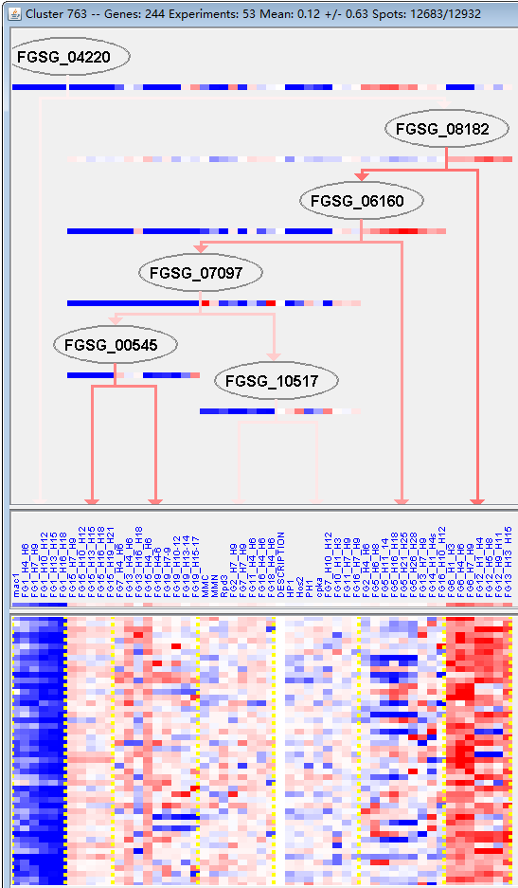
k | Filter | FUNCTIONAL CATEGORY | abs SET | rel SET | genes SET | abs GENOME | rel GENOME | rel SET/rel GENOME | P-VALUE | Bonferroni_corr | FDR
99 UNCLASSIFIED PROTEINS | 125 | 63.4 | FGSG_00044 FGSG_11665 FGSG_11667 FGSG_00114 FGSG_11685 FGSG_11687 FGSG_00253 FGSG_11788 FGSG_11802 FGSG_00920 FGSG_11880 FGSG_01460 FGSG_01724 FGSG_01791 FGSG_01978 FGSG_02112 FGSG_02164 FGSG_12088 FGSG_02223 FGSG_02254 FGSG_02363 FGSG_12130 FGSG_11509 FGSG_11546 FGSG_11558 FGSG_04690 FGSG_04616 FGSG_04612 FGSG_04597 FGSG_04521 FGSG_04163 FGSG_04059 FGSG_04019 FGSG_03893 FGSG_12361 FGSG_03837 FGSG_12389 FGSG_12416 FGSG_03496 FGSG_12487 FGSG_03197 FGSG_03183 FGSG_03112 FGSG_03088 FGSG_03030 FGSG_12538 FGSG_12539 FGSG_02959 FGSG_02927 FGSG_02921 FGSG_02888 FGSG_02842 FGSG_12584 FGSG_04775 FGSG_04787 FGSG_12619 FGSG_04818 FGSG_04895 FGSG_04924 FGSG_04935 FGSG_05010 FGSG_05034 FGSG_12751 FGSG_05672 FGSG_05799 FGSG_05841 FGSG_12829 FGSG_06042 FGSG_06135 FGSG_06136 FGSG_06232 FGSG_06271 FGSG_12902 FGSG_06380 FGSG_06432 FGSG_12931 FGSG_06512 FGSG_12959 FGSG_12982 FGSG_06782 FGSG_13025 FGSG_13116 FGSG_07574 FGSG_07604 FGSG_07614 FGSG_13193 FGSG_07708 FGSG_07723 FGSG_07747 FGSG_07835 FGSG_07836 FGSG_13260 FGSG_13308 FGSG_13372 FGSG_08370 FGSG_13376 FGSG_13377 FGSG_08322 FGSG_08261 FGSG_08089 FGSG_08026 FGSG_13465 FGSG_13477 FGSG_09077 FGSG_09150 FGSG_09175 FGSG_09207 FGSG_09213 FGSG_09315 FGSG_10014 FGSG_10421 FGSG_13798 FGSG_13837 FGSG_11101 FGSG_11039 FGSG_10994 FGSG_10987 FGSG_11499 FGSG_13959 FGSG_11394 FGSG_11380 FGSG_11362 FGSG_11356 FGSG_11328 FGSG_11252 | 7238 | 52.3 | 1.212237094 | 0.000998497
20.01.23 allantoin and allantoate transport | 5 | 2.53 | FGSG_11519 FGSG_02945 FGSG_07584 FGSG_08047 FGSG_11122 | 75 | 0.54 | 4.685185185 | 0.004301203
34.03.03 regulation, generation and propagation of action potential | 2 | 1.01 | FGSG_13166 FGSG_07634 | 19 | 0.13 | 7.769230769 | 0.029460557
01.02.07 regulation of nitrogen, sulfur and selenium metabolism | 4 | 2.03 | FGSG_03389 FGSG_02856 FGSG_08038 FGSG_10328 | 87 | 0.62 | 3.274193548 | 0.035644021
32.05.05 virulence, disease factors | 7 | 3.55 | FGSG_00101 FGSG_00234 FGSG_02367 FGSG_11562 FGSG_04752 FGSG_07841 FGSG_08408 | 222 | 1.6 | 2.21875 | 0.039893282
32.10.09 degradation / modification of foreign (exogenous) ester compounds | 2 | 1.01 | FGSG_00077 FGSG_05935 | 23 | 0.16 | 6.3125 | 0.042005286
43 CELL TYPE DIFFERENTIATION | 15 | 7.61 | FGSG_00101 FGSG_00542 FGSG_01784 FGSG_12135 FGSG_11543 FGSG_12213 FGSG_04794 FGSG_07348 FGSG_07687 FGSG_07841 FGSG_08408 FGSG_08140 FGSG_10558 FGSG_10578 FGSG_11448 | 649 | 4.69 | 1.622601279 | 0.044662492
43.01 fungal/microorganismic cell type differentiation | 15 | 7.61 | FGSG_00101 FGSG_00542 FGSG_01784 FGSG_12135 FGSG_11543 FGSG_12213 FGSG_04794 FGSG_07348 FGSG_07687 FGSG_07841 FGSG_08408 FGSG_08140 FGSG_10558 FGSG_10578 FGSG_11448 | 649 | 4.69 | 1.622601279 | 0.044662492
43.01.03 fungal and other eukaryotic cell type differentiation | 15 | 7.61 | FGSG_00101 FGSG_00542 FGSG_01784 FGSG_12135 FGSG_11543 FGSG_12213 FGSG_04794 FGSG_07348 FGSG_07687 FGSG_07841 FGSG_08408 FGSG_08140 FGSG_10558 FGSG_10578 FGSG_11448 | 649 | 4.69 | 1.622601279 | 0.044662492
20.09.18.07 non-vesicular cellular import | 8 | 4.06 | FGSG_11519 FGSG_02945 FGSG_07584 FGSG_07936 FGSG_08611 FGSG_08229 FGSG_08047 FGSG_11122 | 278 | 2.01 | 2.019900498 | 0.045834906
20.01.25 vitamine/cofactor transport | 4 | 2.03 | FGSG_11519 FGSG_03389 FGSG_08047 FGSG_11122 | 97 | 0.7 | 2.9 | 0.049818284

99未分类的蛋白质
20.01.23尿囊素和尿囊素转运

